Assy BOM
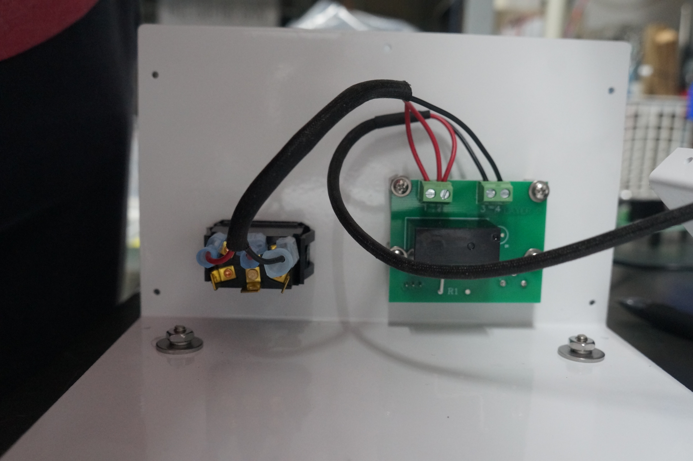
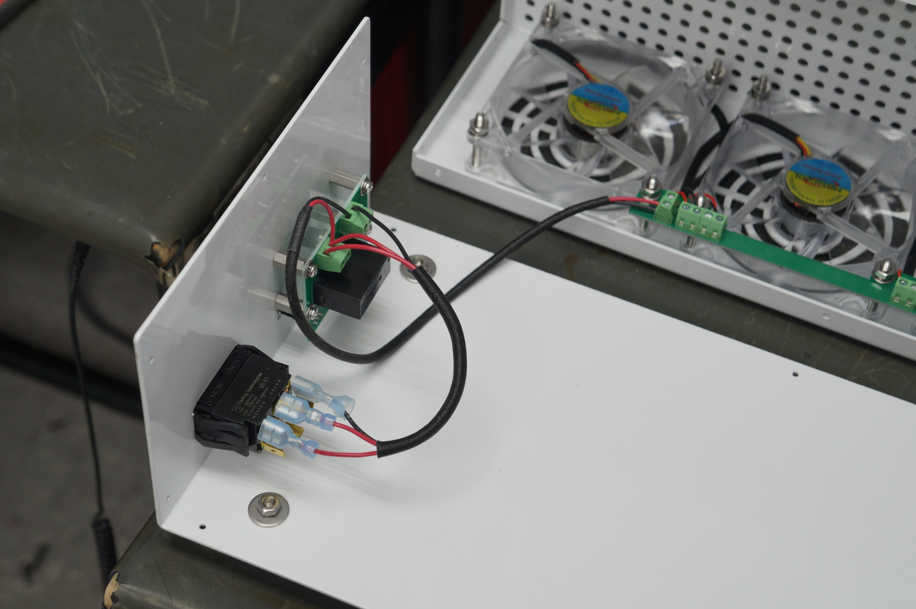
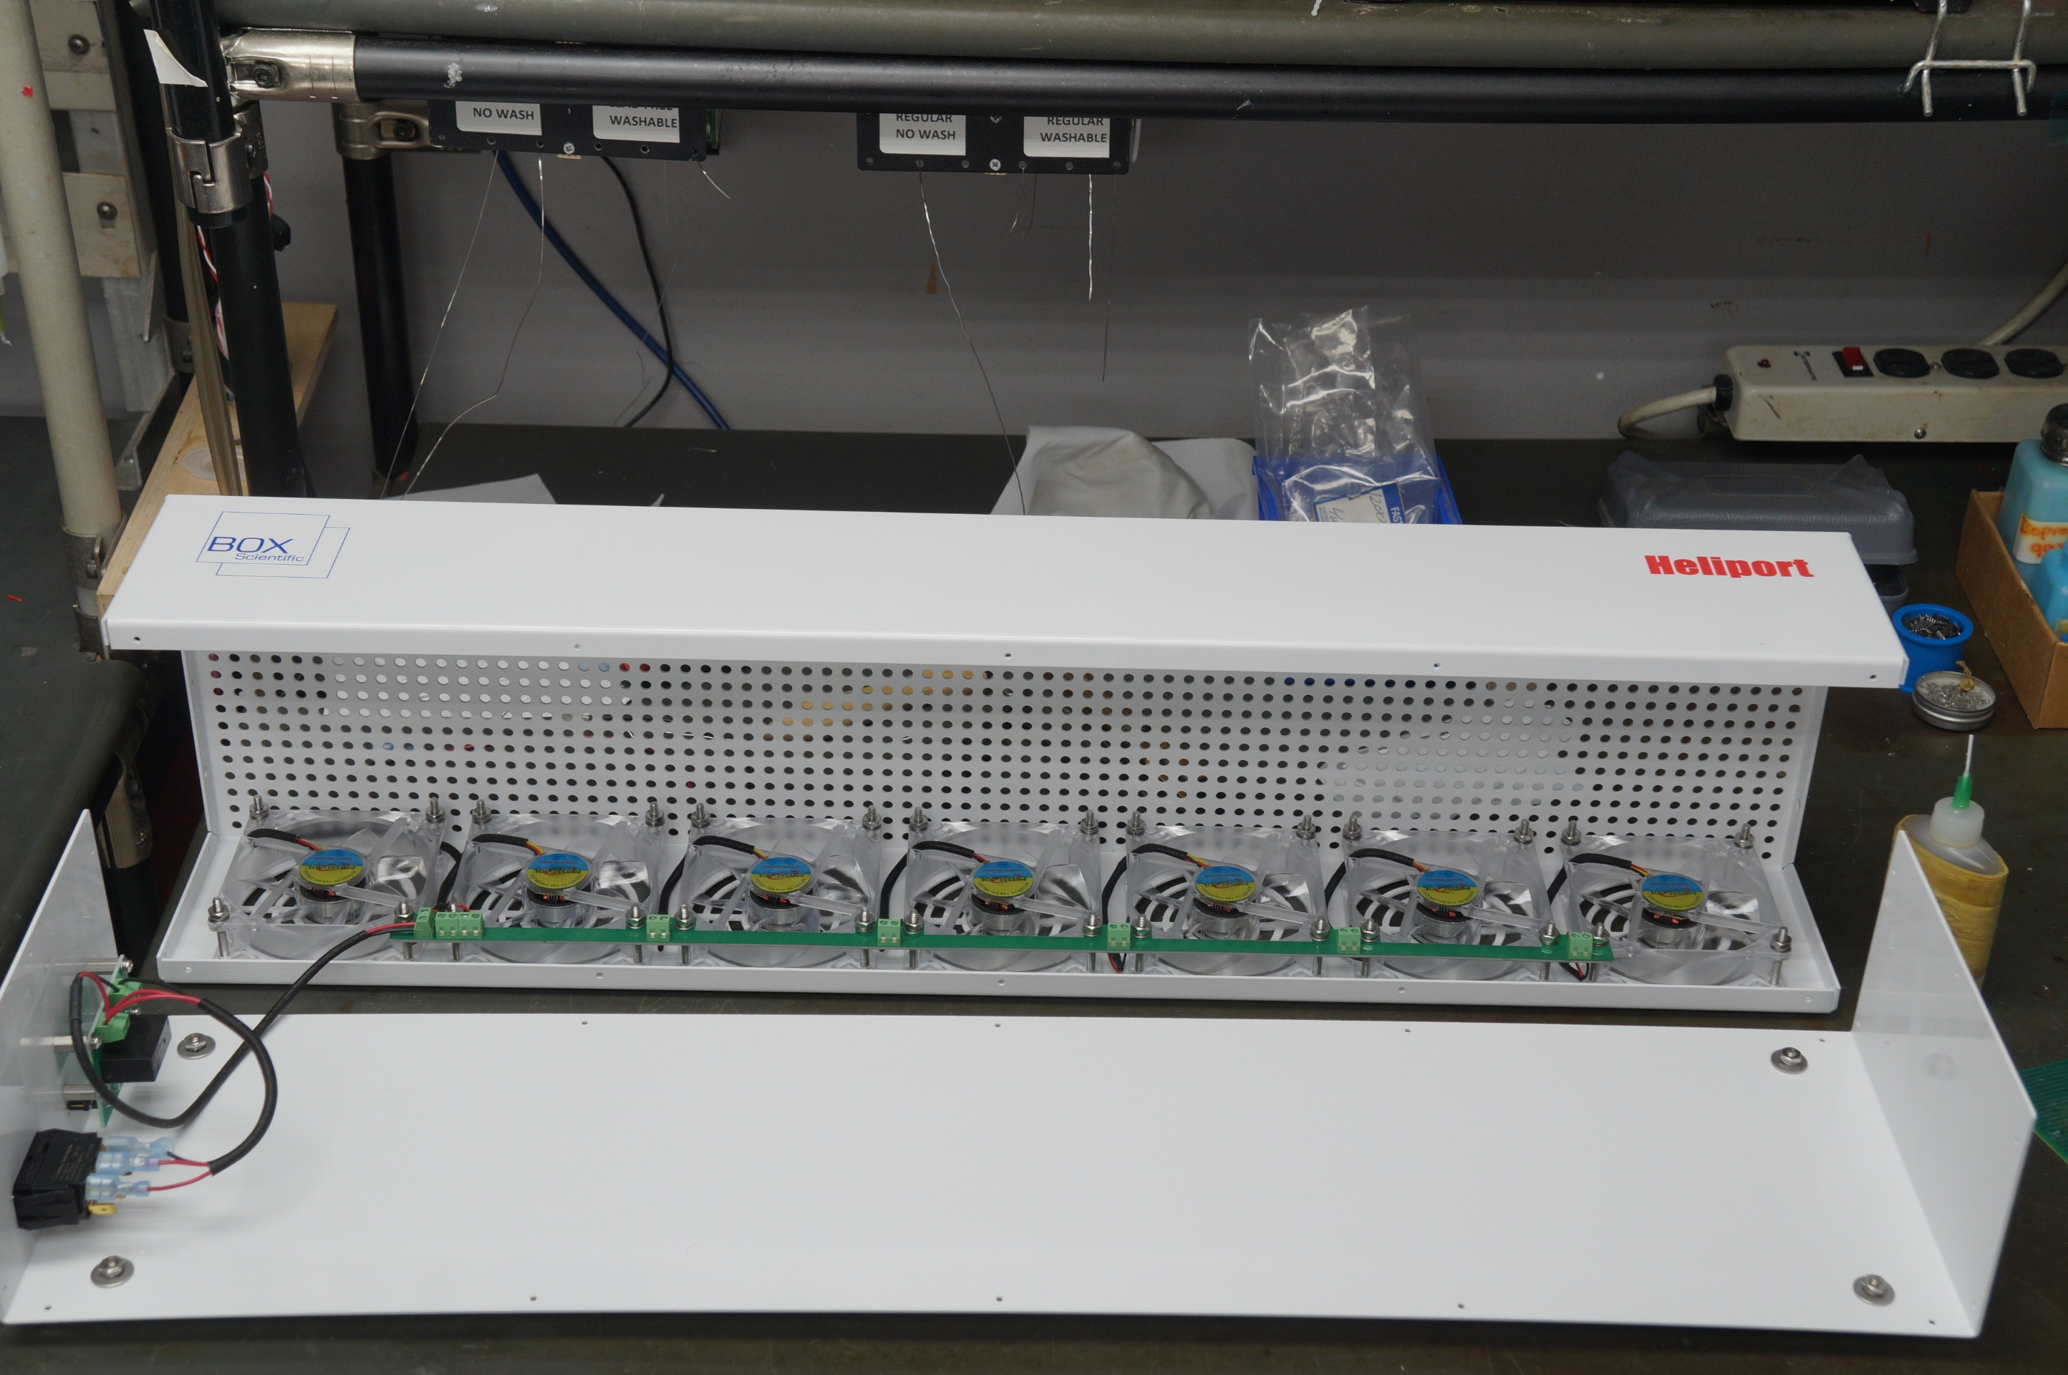
BOM FOR ASSEMBLY |  |  |  |  |  |  |  |  | Referral: | 0 |  |  |  |  |  |  |  |  |  |  | NA,0
 |  |  |  |  |  |  |  |  |  |  |  | Notes for Purchasing |  |  |  |  |  |  |  |  | Read_Desc_DB,1
Job #: | 6732LF | Cust | Box Scientific |  |  | "POU LEGEND" "Not Installed (DNI)" "Top & Back(SMT)" "HAND Place (HP)" "SLIDE & WAVE (PTH)" "Hand Solder (HS)" "Final Assembly (FA)" "Pack" "Cable Assm (CA)" |  |  |  |  |  |  |  |  |  |  |  |  |  |  | Write_Desc_DB, 2
Job Rev: | Y | Cust P/N | HELIPORT BOX |  |  |  |  |  |  |  |  |  |  |  |  |  |  |  |  |  | Read_POU_DB, 3
Last Rev: | 2023-06-08 | Cust Rev: | - |  |  |  |  |  |  |  |  |  |  |  |  |  |  |  |  |  | Write_POU_DB, 4
 |  |  |  |  |  |  |  |  |  |  |  |  |  |  |  |  |  |  |  |  | Read_JOB_Note_DB, 5
Notes: | Part Supply:Customer & ACI <Lead Free/Water Soluble> |  |  |  |  |  |  |  |  |  |  | PER ASSY COST TO PURCHASE |  |  | 0.000 |  |  |  |  |  | Write_JOB_Note_DB, 6
 |  |  |  |  |  |  |  |  |  |  |  | TOTAL PURCHASE COST |  |  | 0.000 |  |  |  |  |  | Read_MPN_NOTE_DB, 7
 |  |  |  |  |  |  |  | Build Qty |  |  |  |  |  |  |  |  |  |  |  |  | Write_MPN_NOTE_DB, 8
Line | DESC | MAN | MPN | ACI PN | QTY | POU | LOC | 100 | STK | ORD | ORDD | PAID | DIST | PO | DUE | REC | NOTES | purchasing notes | vendor p/n | cust p/n
10 | DC FANS FAN, 92X25MM, 12VDC, 51.5CFM, 1.68W, 34DBA, 3000RPM, 0.13INCHH2O, SLEEVE BEARING | Sunon | EF92251S1-1000U-A99 | 6732LF-10 | 7 | FA | F1,F2,F3,F4,F5, F6,F7 | 3.301 |  | 701
10 | ZSUB FOR ABOVE | CUI | CFM-9225C-125-317-20 | 6732LF-10 | 7 | FA | F1,F2,F3,F4,F5, F6,F7 | 5.120 |  | 700
20 | TERMINAL BLOCK CON, EURO 2P | TE | 282836-2 | 6732LF-20 | 8 | FA | P1,F1,F2,F3,F4,F5, F6,F7 | 0.210 |  | 825 |  |  |  |  |  |  | See sample
30 | SWITCH, DPDT ILL ROCK (DIRECT / REMOTE) {NO WASH} | Carling | TIGM51-6S-BL-NBL | 6732LF-30 | 1 | FA | DIRECT/REMOTE | 8.170 |  | 100 |  |  |  |  |  |  | See sample
50 | SCREW, #8 X 5/8" PHIL PAN SS | McMaster | 91772A196 | 6732LF-50 | 4 | FA | FEET1-4 | 0.150 |  | 425 |  |  |  |  |  |  | See sample
60 | SCREW, #8X1 1/2" PHIL PAN SS | McMaster | 91772A203 | 6732LF-60 | 28 | FA | FAN1-28 | 0.100 |  | 2825 |  |  |  |  |  |  | See sample
70 | WASHER, #8 SS FLAT | McMaster | 92141A009 | 6732LF-70 | 32 | FA | FEET1-4,FAN1-28 | 0.050 |  | 3250 |  |  |  |  |  |  | See sample
75 | 18-8 STAINLESS STEEL OVERSIZED WASHER FOR NUMBER 8 SCREW, 0.172" ID, 0.625" OD, 0.050"-0.080" THICK (BETWEEN SCREW, FOOT, ENSLOSURE, WASHER AND NUT) | McMaster | 90313A505 | 6732LF-75 | 4 | FA | FEET1-4 | 0.075 |  | 425
80 | LOCKWASHER, #8 SS SPLIT | McMaster | 92146A545 | 6732LF-80 | 32 | FA | FEET1-4,FAN1-28 | 0.050 |  | 3250 |  |  |  |  |  |  | See sample
85 | LOCKWASHER, #4 SS SPLIT | McMaster | 92146A530 | 6732LF-85 | 4 | FA | PCBAToEncl1-4 | 0.010 |  | 500
90 | NUT, #8 SS HEX | McMaster | 91841A009 | 6732LF-90 | 32 | FA | FEET1-4,FAN1-28 | 0.050 |  | 3250 |  |  |  |  |  |  | See sample
100 | RUBBER FOOT | HAMMOND | 1421T7 | 6732LF-100 | 4 | FA | FEET1-4 | 0.740 |  | 405 |  |  |  |  |  |  | See sample
110 | 18-8 STAINLESS STEEL, 1/4" HEX, 1/2" LONG, 4/40 THREAD POWER JACK (MEASURE POWER JACK FOR LENGTH) | hi-tech | HT8215-SS-0440 | 6732LF-110 | 4 | FA | PCB1-4 | 0.500 |  | 405
110 | ZSUB FOR ABOVE | McMaster | 91115A164 | 6732LF-110 | 4 | FA | PCB1-4 | 2.120 |  | 403 |  |  |  |  |  |  | See sample
120 | SCREW, 4-40X1/4 PHIL PAN SS (USE WITH ITEM 110) | McMaster | 91772A106 | 6732LF-120 | 8 | FA | PCB1-8 | 0.100 |  | 825 |  |  |  |  |  |  | See sample
130 | WASHER, #4 FLAT SS (USE WITH ITEM 110) | McMaster | 96765A110 | 6732LF-130 | 8 | FA | PCB1-8 | 0.050 |  | 850 |  |  |  |  |  |  | See sample
140 | SCREW, #4X3/8 SELF THREAD PHIL PAN SS | McMaster | 92470A108 | 6732LF-140 | 20 | FA | ENCLOSURE1-20 | 0.100 |  | 2025 |  |  |  |  |  |  | See sample
155 | TOP COVER (FOR POLARITY, SEE PICTURE){FOR POLARITY SEE PICTURE} | Customer Supplied | CUSTOMERSUPPLIED | 6732LF-155 | 1 | FA | Seepicture | 0.000 | Customer Supplied |  |  |  |  |  |  |  | See sample
160 | INK PANTONE BLUE | WMPlastics | 288 | 6732LF-160 | 1 | COVER | silkscreen | 1.750 |  | 103
165 | WRAPPER BOTTOM COVER{FOR POLARITY SEE PICTURE}(FOR POLARITY, SEE PICTURE) | Customer Supplied | CUSTOMERSUPPLIED2 | 6732LF-165 | 1 | FA | Seepicture | 0.000 | Customer Supplied |  |  |  |  |  |  |  | See sample
170 | INK PANTONE RED | WMPlastics | 1797 | 6732LF-170 | 1 | COVER | silkscreen | 1.750 |  | 103
200 | FAN RAIL PCB | ACI | 6732L-1 | 6732LF-200 | 1 | FA | REFER6732L-1 | 0.000
250 | WIRE, 18AWG RED 26" (THREE PIECES OF CUT LENGTH 12", 7", 7", STRIP LENGTH ±0.25") | Anixter | 1429-18/19-2 | 6732LF-250 | 3 | FA | REFERPicture | 0.150 |  | 325
255 | WIRE, 18AWG BLACK 19" (TWO PIECES OF CUT LENGTH 12", 7", STRIP LENGTH ±0.25") | Anixter | 1429-18/19-0 | 6732LF-255 | 2 | FA | REFERPicture | 0.150 |  | 225
270 | RELAY BOARD PCBA | ACI | 6732L-2 | 6732LF-270 | 1 | FA | REFER6732L-2 | 0.000
280 | LABEL C44{SEE LABEL LOCATION BELOW} | PANDUIT | C050X044YJT | 6732LF-280 | 1 | FA | Label | 0.001 |  | 200
285 | TERMINALS 250 ULTRA-FAST 16-14 TPBR | TE | 3-521150-2 | 6732LF-285 | 1 | FA | S1D | 0.020 |  | 200
290 | TERMINALS 250 ULTRA-FAST 18-22 TPBR | TE | 3-350820-2 | 6732LF-290 | 2 | FA | S1P,S1R | 0.020 |  | 300

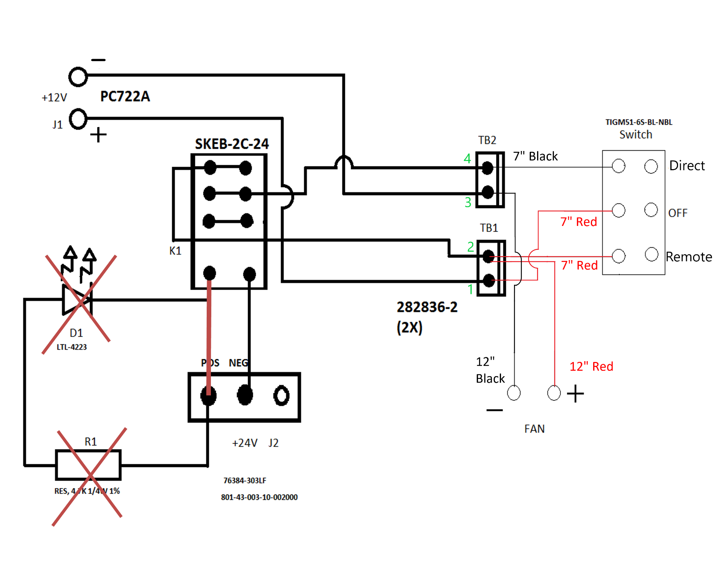

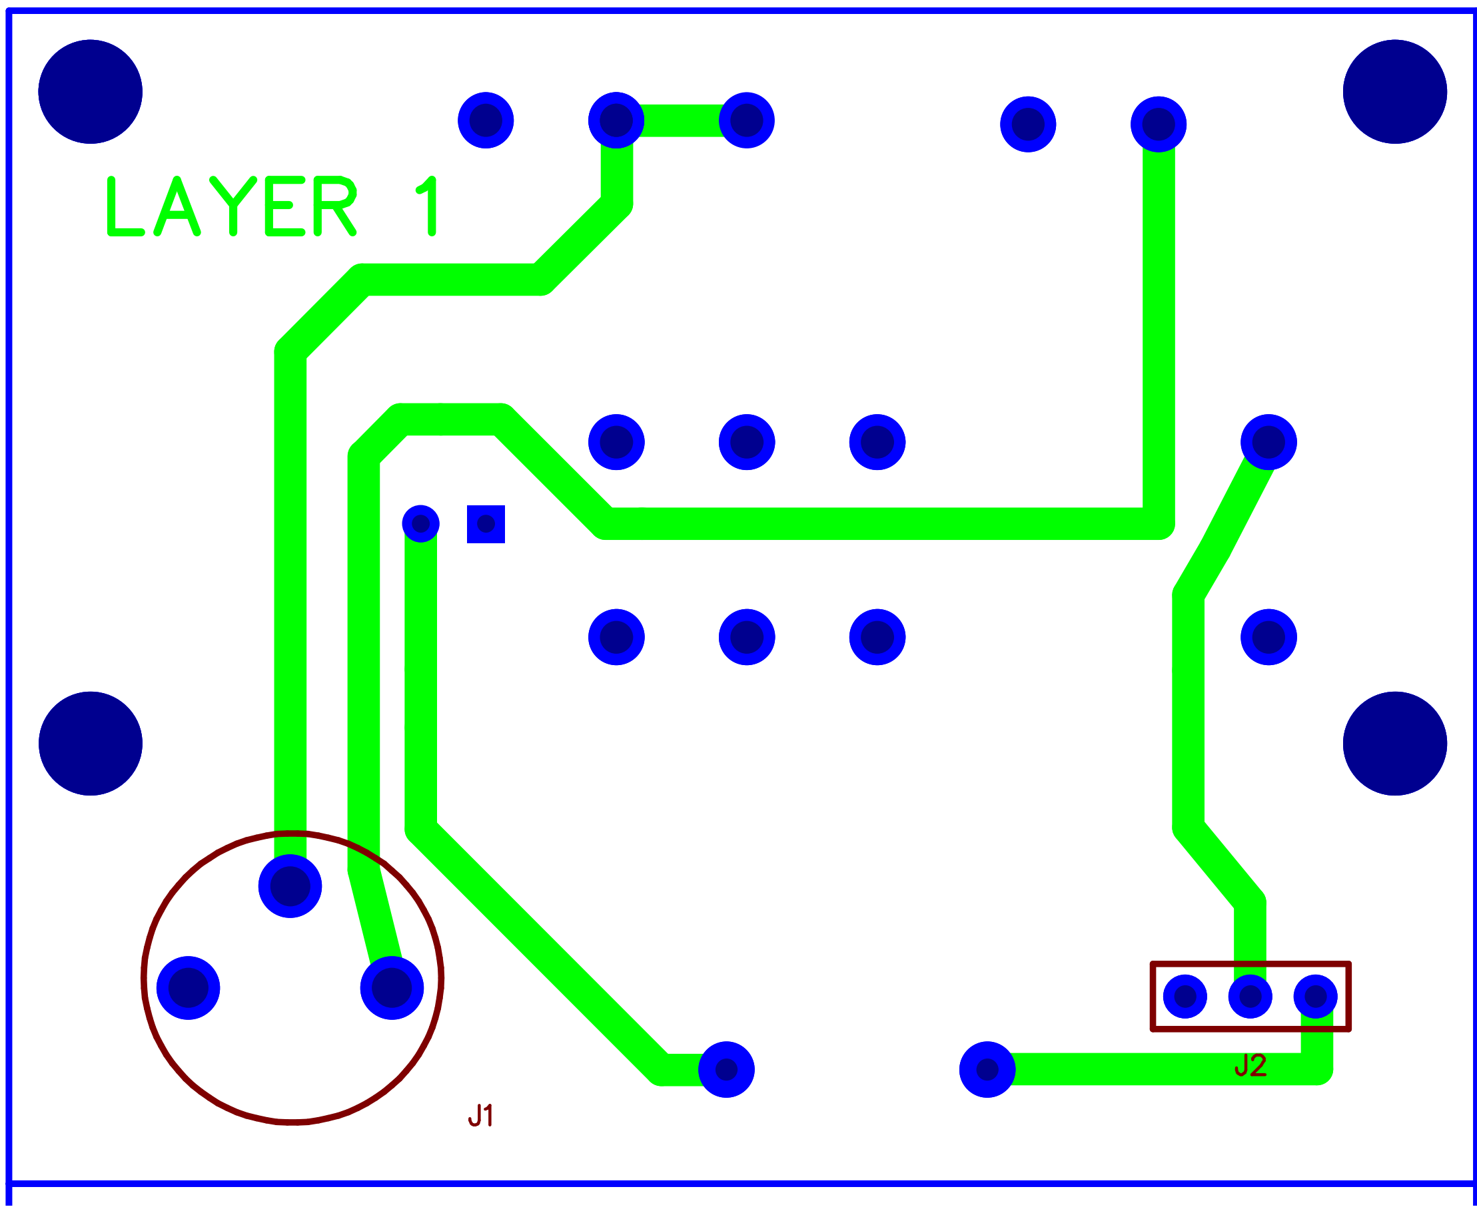
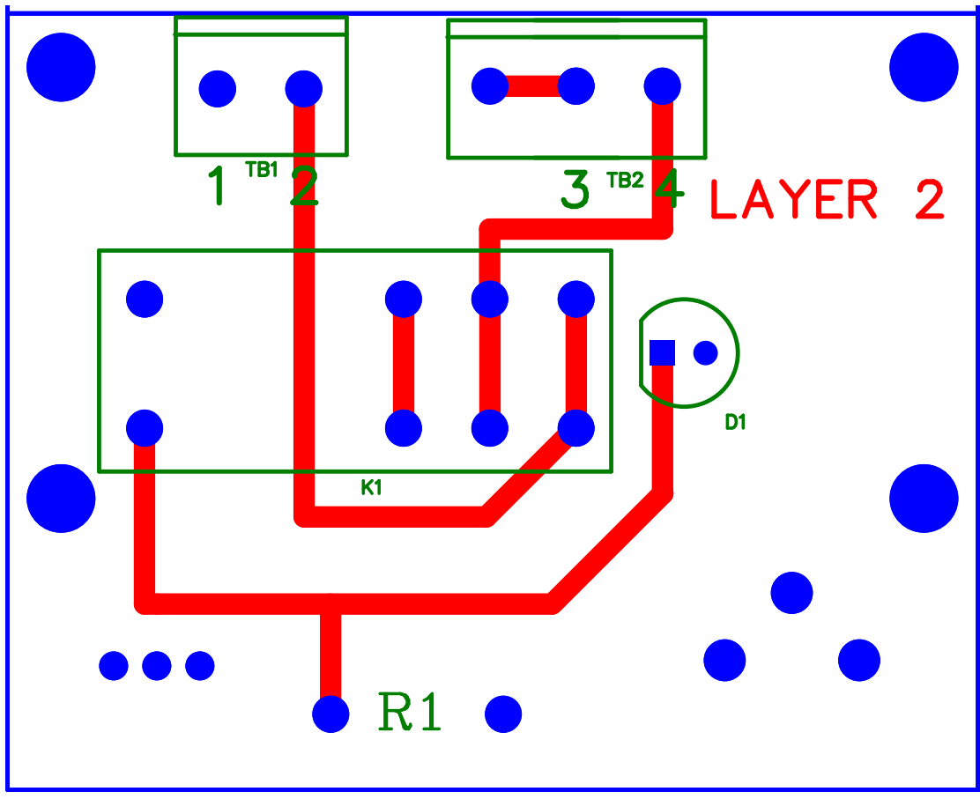

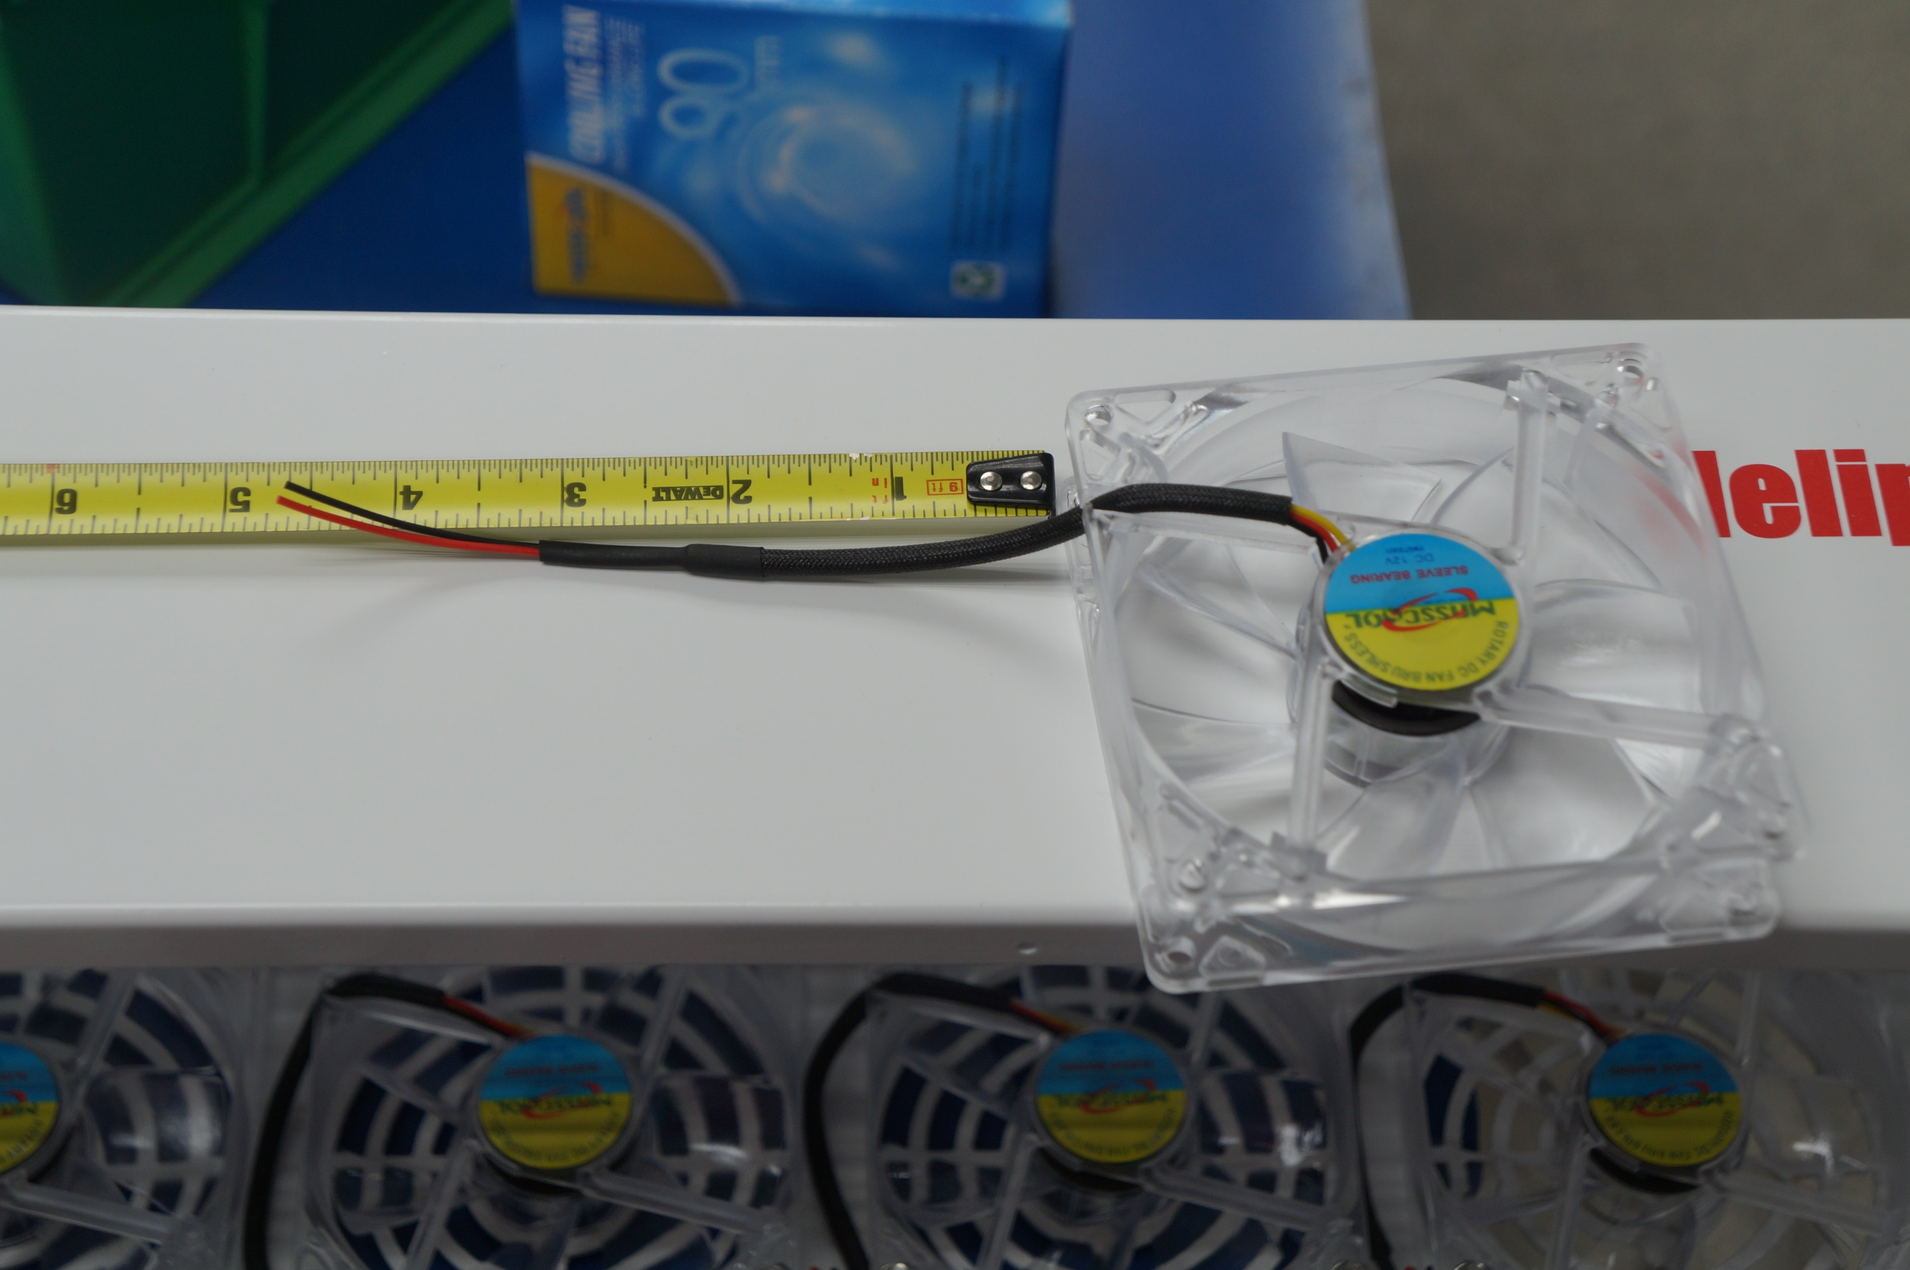

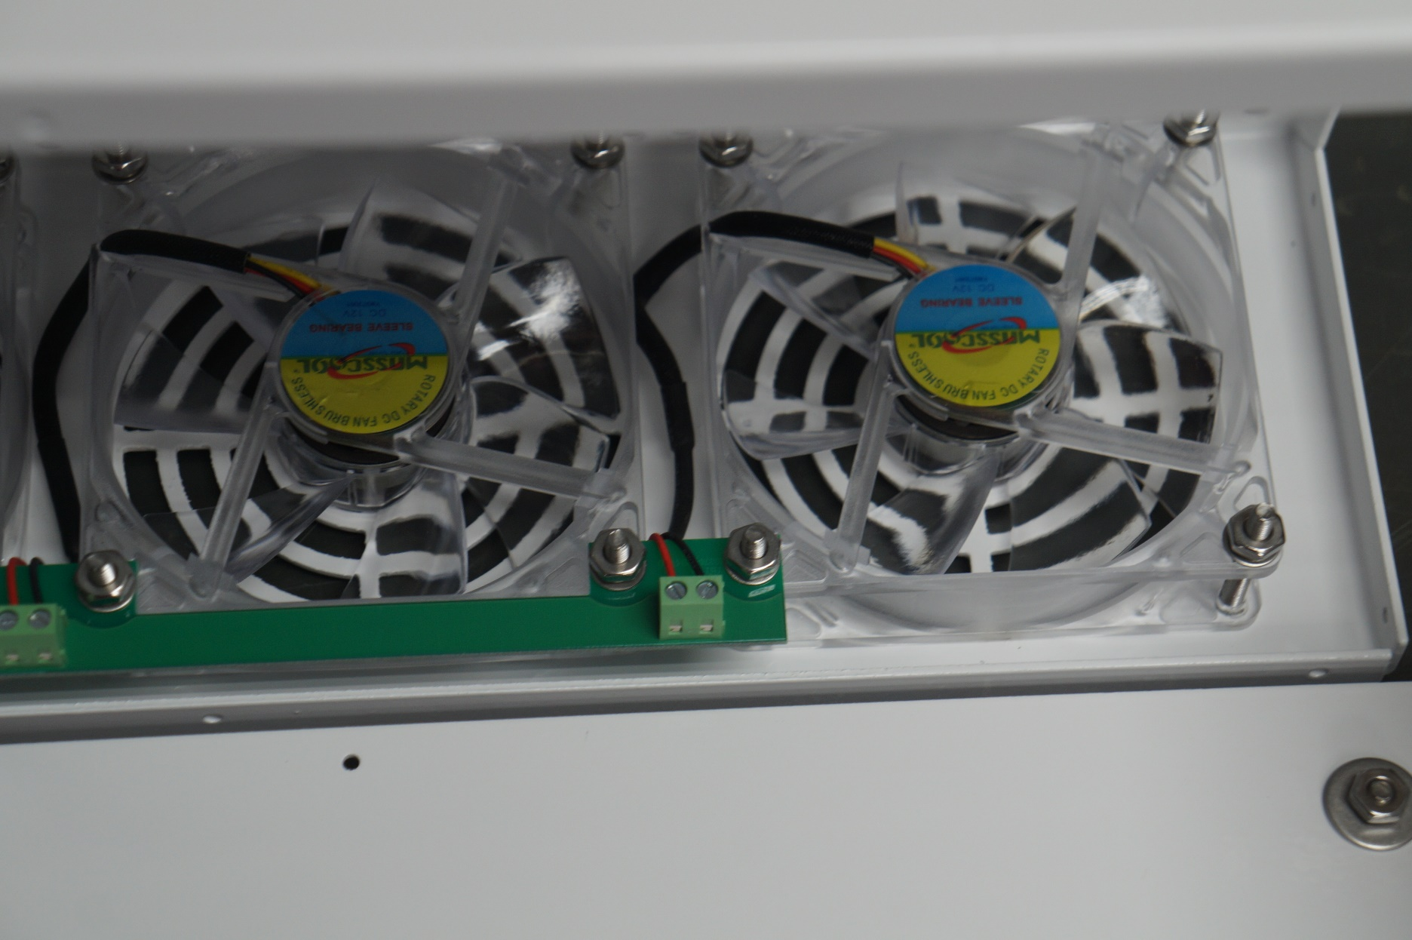

6732L-1
6732L-1
6732L-1
F1
F2
F3
F4
F5
F6
F7
P1

